Two sample z 2 tail
Example: Glenbrook sports center is planning to compare the ages from a random sample of male and female swimmers in their coaching center. The swimming coordinator collected 62 female swimmers' data, and the mean age is 23.1 with a standard deviation of 3.5. Similarly, collected 46 male swimmers data and the mean average is 19.2 with a standard deviation of 4.8. Assume the population follows a standard normal distribution. At 5% significance level, test whether there is a significant difference in age between the sexes?

H0: µ1 = µ2
H1: µ1 ≠ µ2

How to determine what test to use? | The data is normal. We have to test the difference between means of two groups The samples are independent of each other. There's more than 30 samples each. This leads us to chose a Two sample z test

What kind of tailed test to use? (Single left, Single right, or Two-tail) | Note that this is a 2 tail test becauseGlenbrook sports center planning to test whether there is a significant difference in age between the sexes.

Data given
x̅1 | 23.1
x̅2 | 19.2
σ1 | 3.5
σ2 | 4.8
n1 | 62
n2 | 46
Significance level α | 0.05

Compute the mean difference (x̅1 –x̅2)
µ (population mean) | 3.9

Compute the z-statistic
z= (x̅1 –x̅2)/ (√(σ12/n1)+(σ22/n2) | 4.67

Determine z critical value
Since this is a two tailed test at an alpha of 5% critical value look up z table appropriately.
z critical | 1.96 | Look up in table

Interpret the results
How does z critical compare to the calculated z statistic?

Rejection
region
Rejection
region
 | z critical | z statistic
 | 1.96 | 4.6665602865
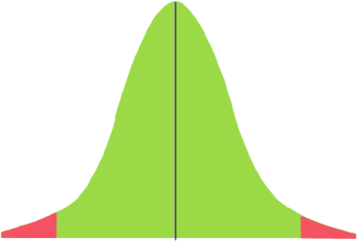 | If z statistic values is not between the two critical values, means z statistic value is in rejection region. Hence we reject the null hypothesis | If this value is between two critical values, means it is not in rejection region. Hence we fail to reject the null hypothesis
Critical value
Critical value
Two tail test

