f 1 tail (left)
XYZ is an e-commerce site that wants to test if the delivery times of Boston city are less than the New York City at a 5% significance level during thanksgiving holidays. 28 delivery times are observed from Boston city, and the variance is 38hours. Collected 25 samples from New York City, and the variance is 83 hours.

Null hypothesis H0: σ12≥ σ22
Alternative hypothesis H1: σ12<σ22

How to determine what test to use? | Since we find out whether the two samples drawn from the normal population having the same variance. This leads us to chose a f test

What kind of tailed test to use? (Single left, Single right, or Two-tail) | Note that this is a 1 tail (left tailed) test because we are the delivery times of Boston city are less than the New York City at a 5% significance level

Data given
n1 | 27 | Lowest variance sample in numerator | n2 | 25
Degrees of freedom ϑ1 | 26 |  | Degrees of freedom ϑ2 | 24
Significance level α | 0.05

Calculate the f value
Variance of first sample S12 | 38 | lowest variance in numerator
Variance of second sample S22 | 83
F= S12/S22 | 0.45783

Determine f critical value
Since this is a left tailed test at an alpha of 5% critical value look up f table appropriately. |  | F(0.95,27,24). Since it is a left tail and we cannot find the 0.95 in f- table, we must switch the degrees of freedom for alpha 0.05 then take a reciprocal of final answer
 | 1.93 | Look up in table- for 24 degrees of freedom to 26 degrees of freedom
f critical | 0.51813

Interpret the results
How does f critical compare to the calculated f statistic?

 | f critical | f statistic
 | 0.51813471503 | 0.4578
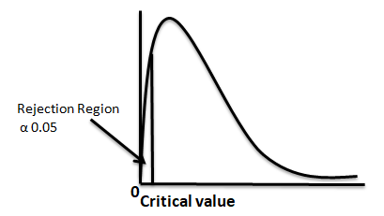 | If this is smaller, means f statistic value not in rejection region. Hence we fail to reject the null hypothesis | If this is smaller, means, it is in rejection region. Hence we reject the null hypothesis
Left tail test

